Foglio1
Cod | Descrizione | UM | Lotto | Scadenza | Qta | Buste x Referenza
R01A | ROUANT ENERGY ARANCIA DISPLAY 25 BUSTE | PZ | H2595 | 30/09/2021 | 261 | 6,525
R01M | ROUANT ENERGY MELA DISPLAY 25 BUSTE | PZ | I0014 | 30/09/2021 | 452 | 11,300
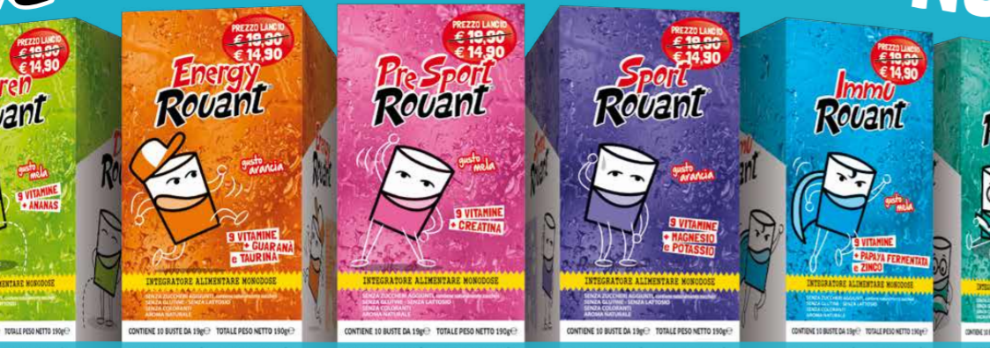
R02A | ROUANT PRE-SPORT ARANCIA DISPLAY 25 BUSTE | PZ | I0008 | 30/09/2021 | 331 | 8,275
R02M | ROUANT PRE-SPORT MELA DISPLAY 25 BUSTE | PZ | I0010 | 30/09/2021 | 508 | 12,700
R03A | ROUANT SPORT ARANCIA DISPLAY 25 BUSTE | PZ | H2580 | 30/09/2021 | 268 | 6,700
R03M | ROUANT SPORT MELA DISPLAY 25 BUSTE | PZ | I0009 | 30/09/2021 | 473 | 11,825
R04A | ROUANT IMMU ARANCIA DISPLAY 25 BUSTE | PZ | H2596 | 30/09/2021 | 285 | 7,125
R04M | ROUANT IMMU MELA DISPLAY 25 BUSTE | PZ | I0015 | 30/09/2021 | 544 | 13,600
R05A | ROUANT DREN ARANCIA DISPLAY 25 BUSTE | PZ | H2582 | 30/09/2021 | 247 | 6,175
R05M | ROUANT DREN MELA DISPLAY 25 BUSTE | PZ | I0012 | 30/09/2021 | 476 | 11,900
R06A | ROUANT SLIM ARANCIA DISPLAY 25 BUSTE | PZ | H2583 | 30/09/2021 | 302 | 7,550
R06M | ROUANT SLIM MELA DISPLAY 25 BUSTE | PZ | I0013 | 30/09/2021 | 450 | 11,250
R07A | ROUANT MEMO ARANCIA DISPLAY 25 BUSTE | PZ | H2581 | 30/09/2021 | 345 | 8,625
R07M | ROUANT MEMO MELA DISPLAY 25 BUSTE | PZ | I0011 | 30/09/2021 | 532 | 13,300
 |  |  |  |  | 5,474 | 136,850

